discount percentage&reviews
 | Total
Grand Total
Row Labels | Count of Review
Grand Total

rating&reviews
 | Total
Grand Total
Row Labels | Count of Review
Grand Total

performance comparison
Performance of Product with High Discount
 | Count of Review | Average of Ratings
Grand Total
Row Labels | Count of Review | Average of Ratings
Grand Total

rating category breakdown
Rating Category Breakdown
 | Total
Grand Total
Row Labels | Count of Product
Grand Total

Rating Category Breakdown
 | Total
Grand Total

discount category breakdown
Discount Category Breakdown
 | Total
Grand Total

Row Labels | Count of Product
Grand Total

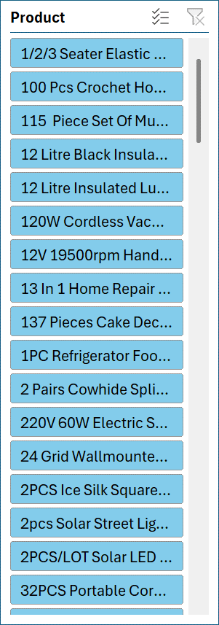

Discount Category Breakdown
 | Total
Grand Total

Dashboard
Jumia Product Analytics Dashboard

Total Number of Products 111
Total Reviews
0
Average Rating
0.0
Average Discount
0

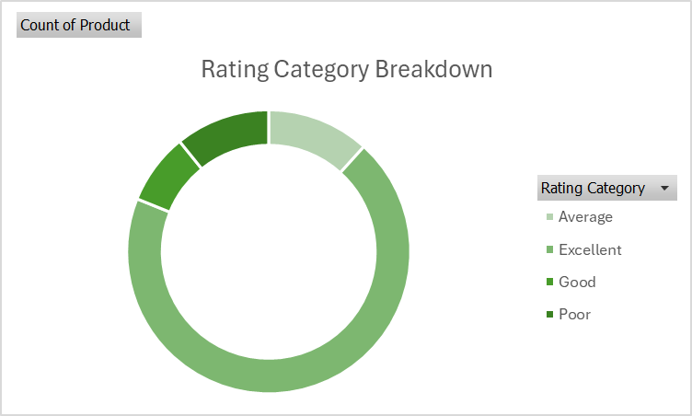

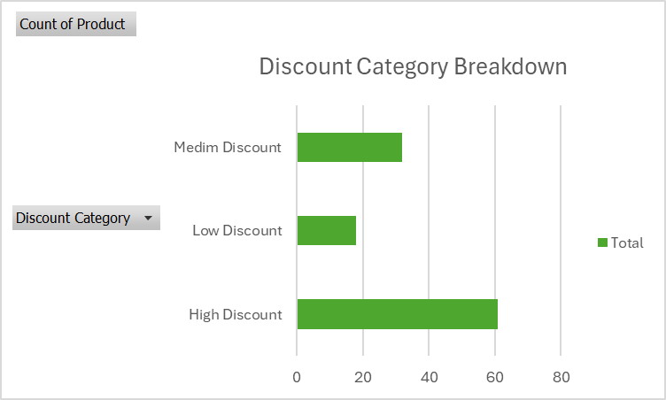

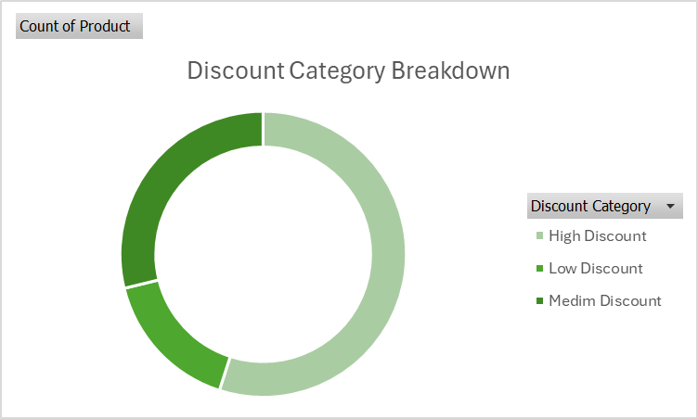

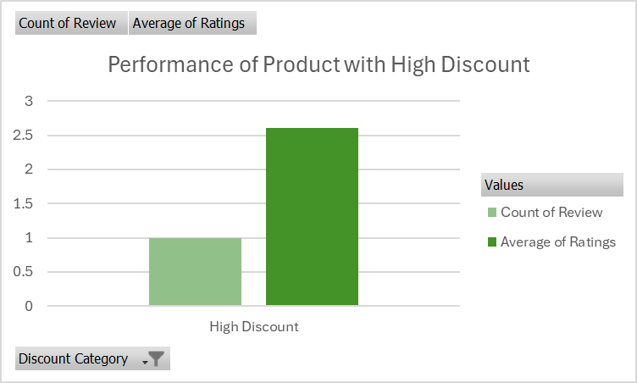

Insights

Products with large discounts but low ratings may indicate:
Poor product quality
Customer dissatisfaction
Inventory clearance efforts
Older or discontinued products
Attempts to boost sales of underperforming products
Products receiving negative reviews despite attractive pricing

